Sheet1
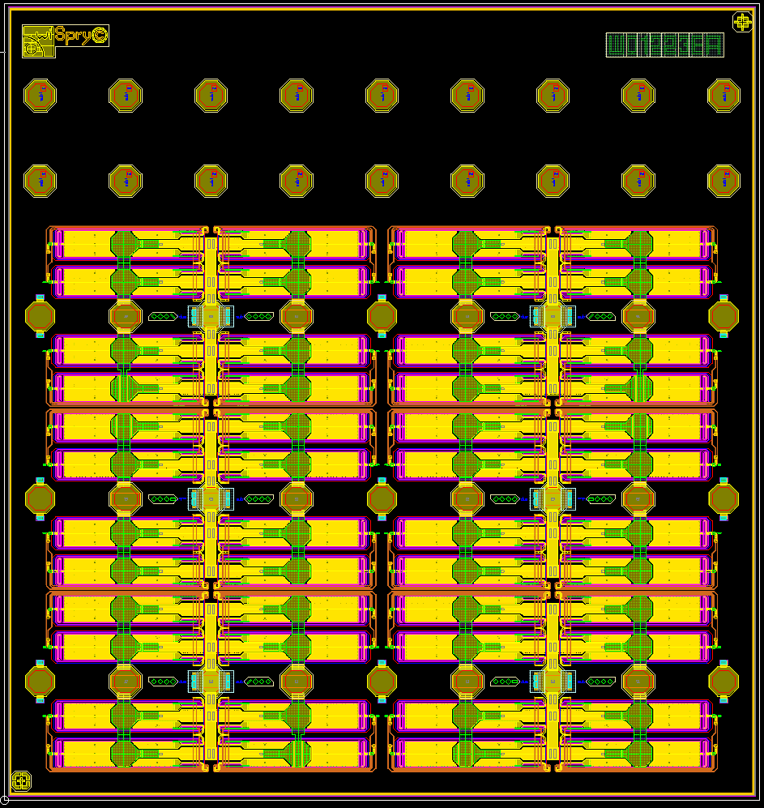
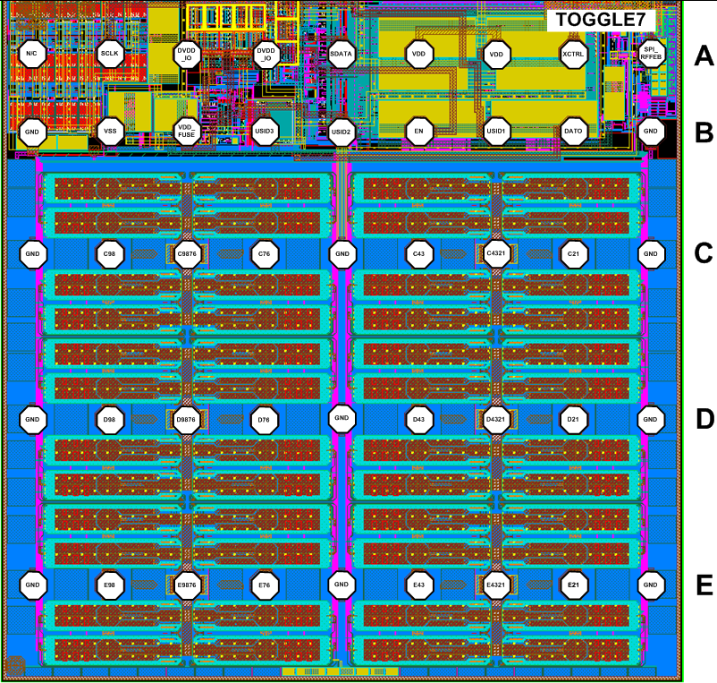
Toggle7 Full Probe Card Verification
From pin Pads | To pin pads | Bring out Pin pad | Bank
C_876 | D_876 | C_876 | C1
C_876_Sense | D_876_Sense | C_876_Sense

C_87 | D_87 | C_87
C_87_Sense | D_87_Sense | C_87_Sense

C_432 | D_432 | C_432 | C2
C_432_Sense | D_432_Sense | C_432_Sense

C_32 | D_32 | C_32
C_32_Sense | D_32_Sense | C_32_Sense

E_876 | E_432 | E_876 | C3
E_876_Sense | E_432_Sense | E_876_Sense

E_87 | E_32 | E_87
E_87_Sense | E_32_Sense | E_87_Sense

Note:
C87 from Probe Card to be C98 from the Pin Pads
C 32 from Probe Card to be C21 from the Pin Pads.
E87 from Probe Card to be E98 from the Pin Pads

